WF01 SM - Product Universe.
Workflow: Product Universe Creation and Maintenance
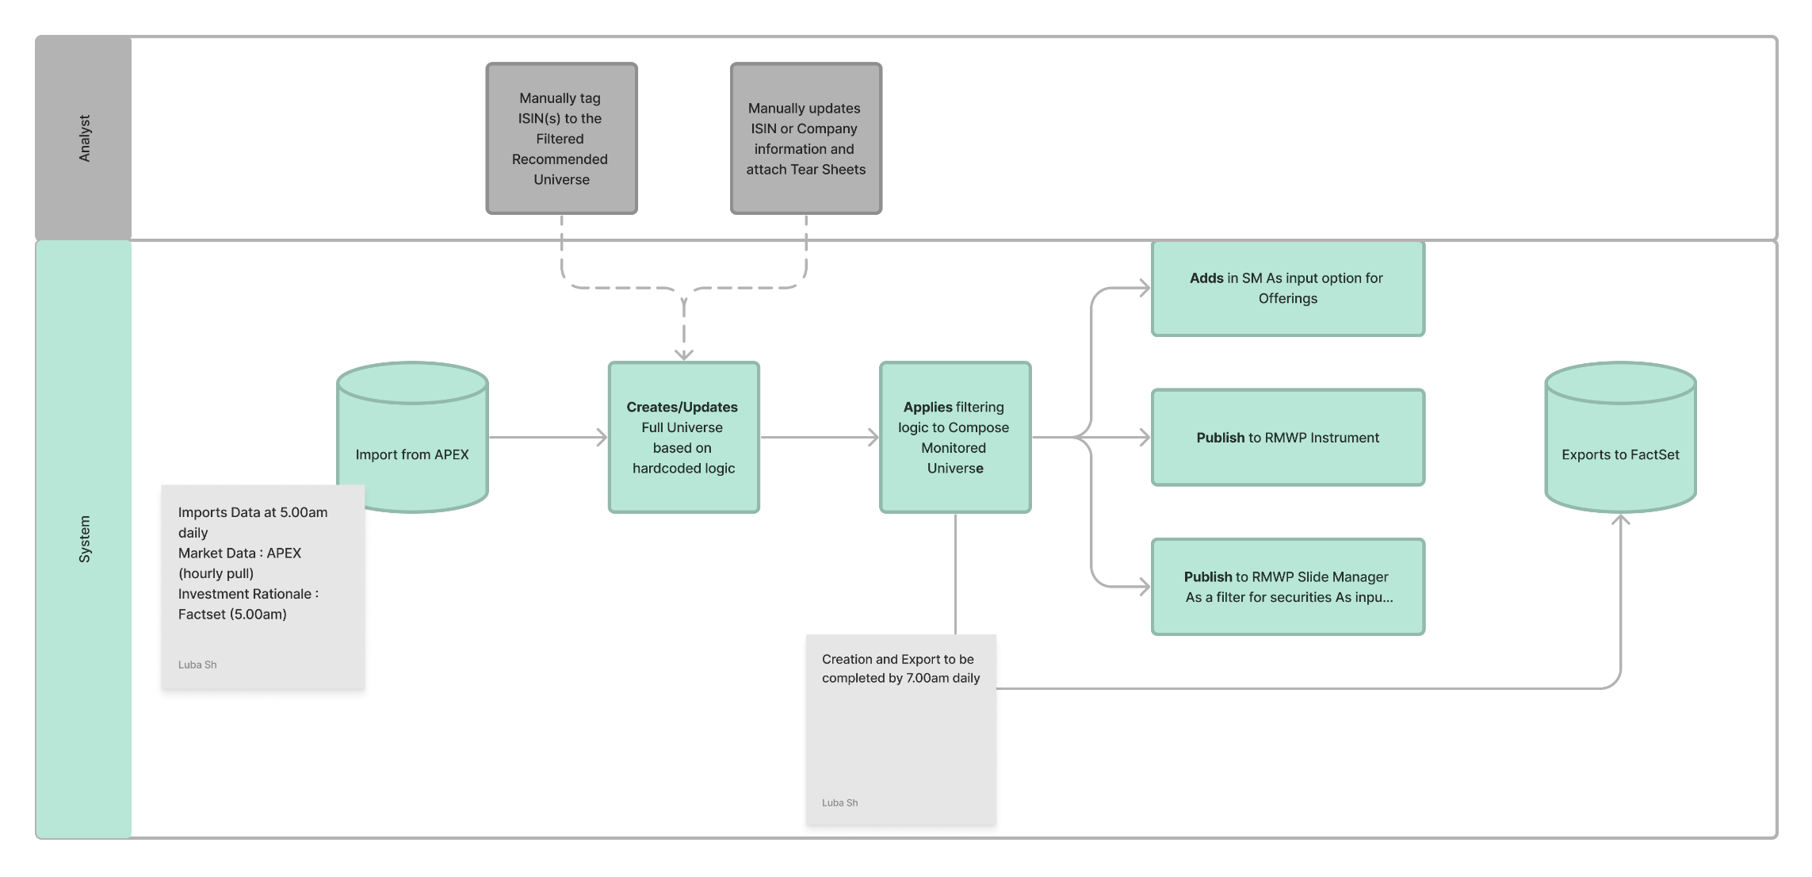

Functional Requirements

No, | Feature | Description | Confirmation
1 | Covered Universe Flag | By default, covered universe logic derived fixed income are labeled with a covered tag. 1) Product Managers have the option to manually tag ISINs as part of the covered universe 2) Product Mangers have the option to filter between Covered and Full Universe | Y
2 | Document Upload | Attached Documents at ISIN Level 1) Prospectus | Y
3 | Change History | Any manual changes on the ISIN Level needs to be captured and displayed in UI for manual changes history tracking 1) Option to lock the manual changes to provide overriding from daily refresh 2) Any manual changes to the data field will be logged and requires users to key in a reason | Y
6 | Bulk Upload | Bulk upload documents as part of initial data migration 1) Prospectus to ISIN | Y
5 | Last Update Date | During daily import, Product Manager can see the date in which the security is updated (i.e. imported into the platform) | Y

A. Monitored Universe
All Bonds in APEX
B. Filtered Monitored Universe
Bonds amount outstanding is more than 0 (APEX: amount_outstanding)
Update securities with blank for desk rating to “Not Covered” (APEX: house_view_desk)
Filtering Logic

If Bond. [Amount Outstanding] > 0, and Bond. [Desk Rating] != Null, then Bond. [Covered] = True, else False

Import logic from APEX

Data to be pulled on an hourly basis

Export to Factset

Follow equity timing to update Factset (8am, 12pm, 2pm, 4pm)
Factset to confirm list of attributes to send to Factset

WF02 SM - Recommendation List
Workflow: Recommendation List Creation and Maintenance

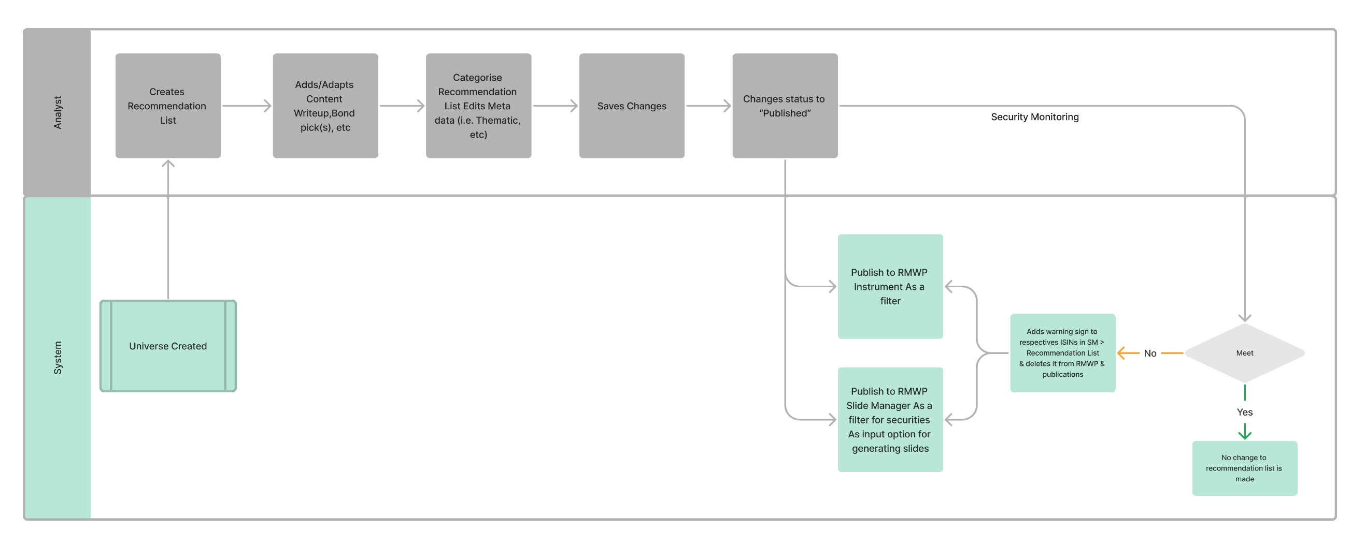

Functional Requirements
no additional functional requirements

Filtering Logic
no filtering logic

GUI02 SM - Rec. List
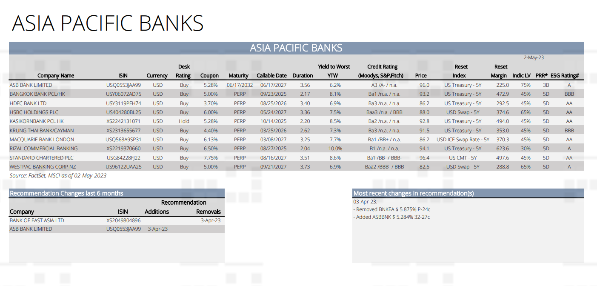
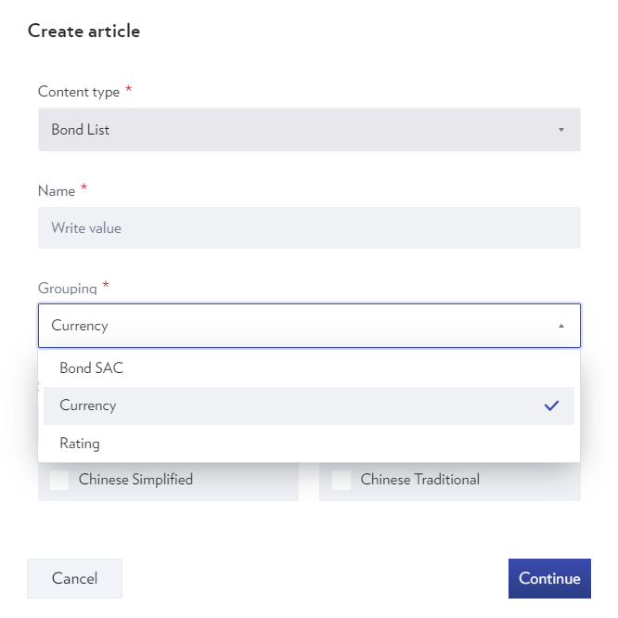
Language
Attribute | Value
Set Language | English, Chinese Simplified, Chinese Traditional

Grouping
Sequence | Rename | DBS Field Name | Remarks
1 | Issuer | issuer
2 | Currency | currencyCode
3 | Industry | industryGroup
4 | Country of Risk | cntryOfRisk
5 | Desk Rating | houseViewDesk
6 | Risk Rating | riskRating
7 | BBG Composite | bbComposite
8 | Investment Theme | #N/A | Created in Ideas Central
9 | Sub-Theme | #N/A | Created in Ideas Central

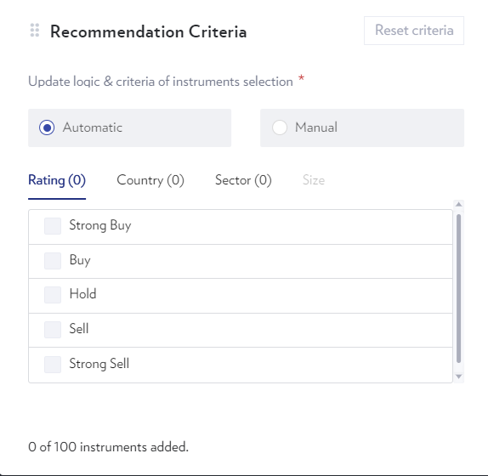
Recommendation Criteria
Sequence | Rename | DBS Field Name | Remarks
1 | Issuer | issuer
2 | Currency | currencyCode
3 | Industry | industryGroup
4 | Country of Risk | cntryOfRisk
5 | Desk Rating | houseViewDesk
6 | Risk Rating | riskRating
7 | BBG Composite | bbComposite
8 | Investment Theme | #N/A | Created in Ideas Central
9 | Sub-Theme | #N/A | Created in Ideas Central

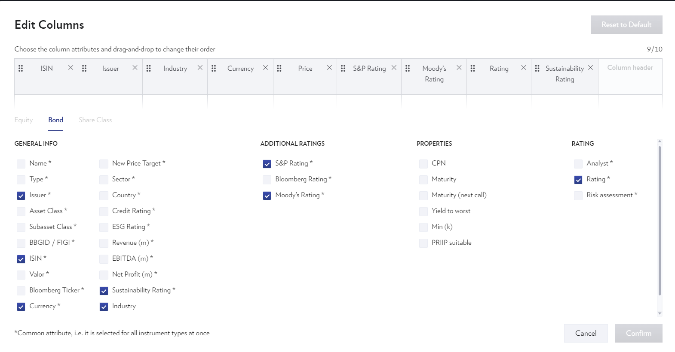
Bond Table default columns
Sequence | Rename | DBS Field Name | Remarks | ADV | ADV Comment
1 | Obligor | obligorName
2 | Ticker & Security Description | securityDescription
3 | ISIN | isin
4 | Currency | currencyCode
5 | Coupon | coupon
6 | Maturity | maturityDate
7 | Next Call Date | nextCallDate
8 | YTC | askYtc
9 | YTW | askYtm
10 | YTM | askYtm
11 | Moody's | ratingMoody
12 | Fitch | ratingFitch
13 | S&P | ratingSp
14 | Ask | askprice
15 | Reset Index | resetIndex
16 | Reset Margin | floaterSpread
17 | LV (PB/TPC) | lvPbTpc
18 | Risk Rating | riskRating
19 | ESG rating | msciEsgRating
20 | Desk Rating | houseViewDesk
21 | Category | TBC |  | ?
22 | Coupon Type | couponType |  | ?
23 | Bid | bidprice |  | ?
24 | Update Time Stamp | update_timestamp |  | ?

WF04 SM - Securities Monitoring
Workflow: Securities Monitoring Workflow

System

Monitor Blackout Criteria
Blackout Securities
Breach Criteria
Yes

No

Remove Securities from
Recommendation List

Monitor Active Bond Filtering Criteria
Companies with Sell Calls
Bonds Outstanding Value = 0
Breach Criteria
Yes

No

Blackout Filtering Logic

1.Remove blackout securities that are identified under Research and Client Solicitation
https://go.mydbs.net/documents/43284126/47202892/Blackout.xls.xlsx/17804389-87e1-9928-91d1-766c096ce943?t=1591348983514

Filtering Logic

1.Remove Companies with Sell Calls,
[IPRS: house_view_desk] is rated as Sell
2.Bonds amount outstandingis 0 (APEX: amount_outstanding)

GUI05 RWMP - Instrument
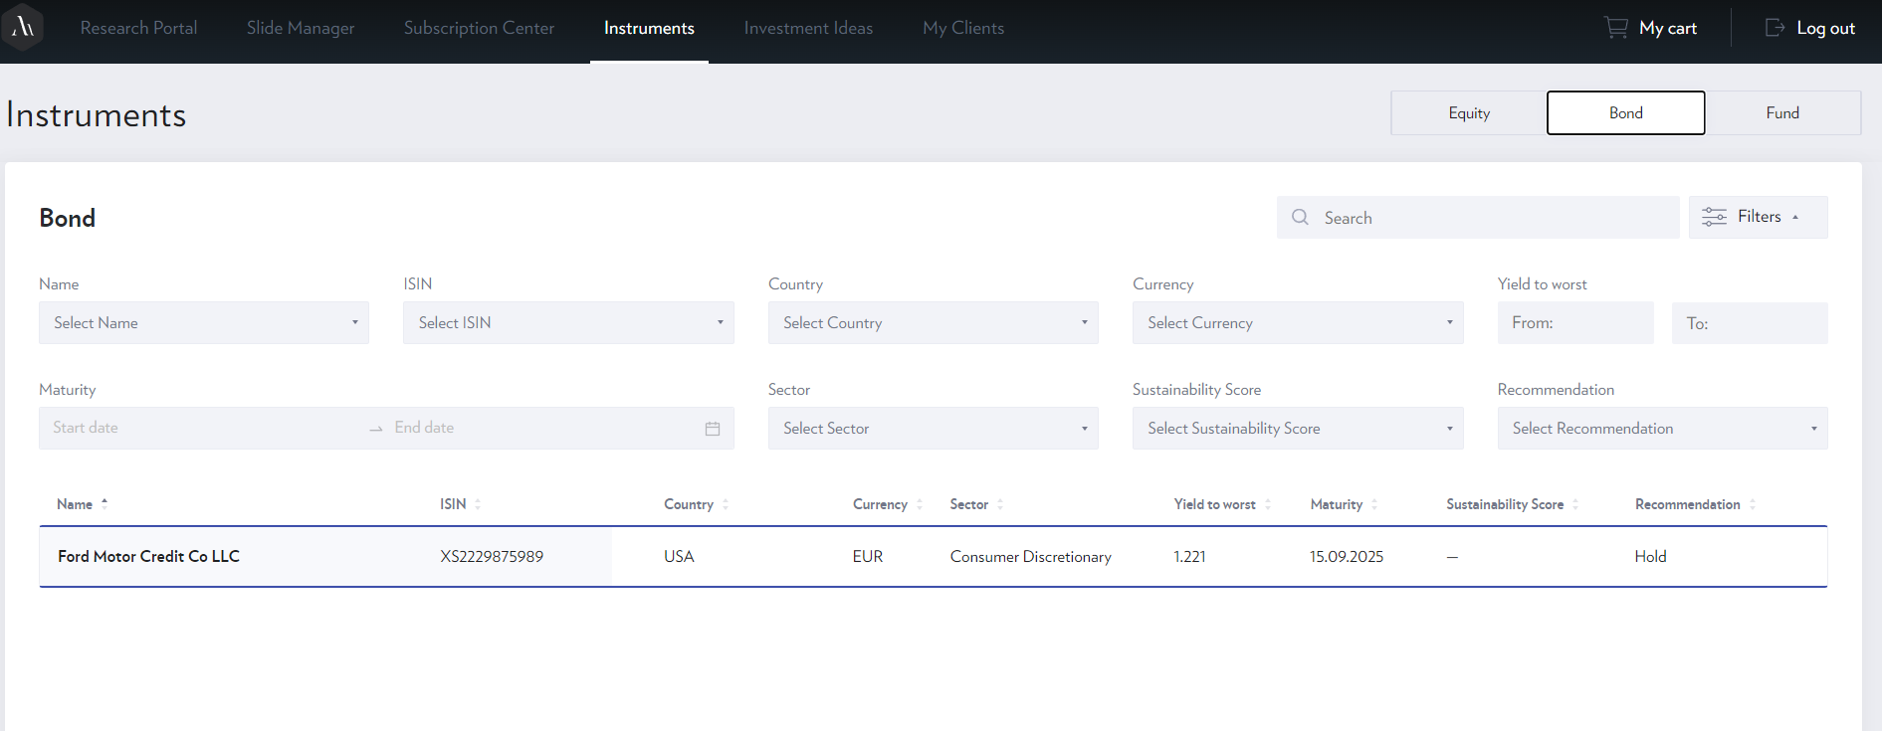
Filter parameters
Sequence | Rename | Type | Technical Name | Remarks | Undone
1 | Issuer | Multiple Selection | issuer
2 | Obligor | Multiple Selection | obligorName
3 | Currency | Multiple Selection | currencyCode
4 | Category | Multiple Selection | TBC | To be confirmed
5 | Industry | Multiple Selection | industryGroup
6 | Country of Risk | Multiple Selection | cntryOfRisk
7 | Risk Rating | Multiple Selection | riskRating
8 | BBG Composite | Multiple Selection | bbComposite
9 | Desk Rating | Multiple Selection | houseViewDesk
10 | Desk Analyst | Multiple Selection | researchAnalystDesk |  | ADV doesn't display as we can add to Filters only users from UM, this parameter is planned to be received via Import -> no logic to create user from Import
11 | Investment Theme | Multiple Selection | #N/A | Created In Ideas Central
12 | Sub Theme | Multiple Selection | #N/A | Created In Ideas Central
13 | Status | Multiple Selection | #N/A | Created In Ideas Central | ADV don't display as by default system displays only instruments in status = Active
14 | Product Universe | Multiple Selection | #N/A | Created In Ideas Central
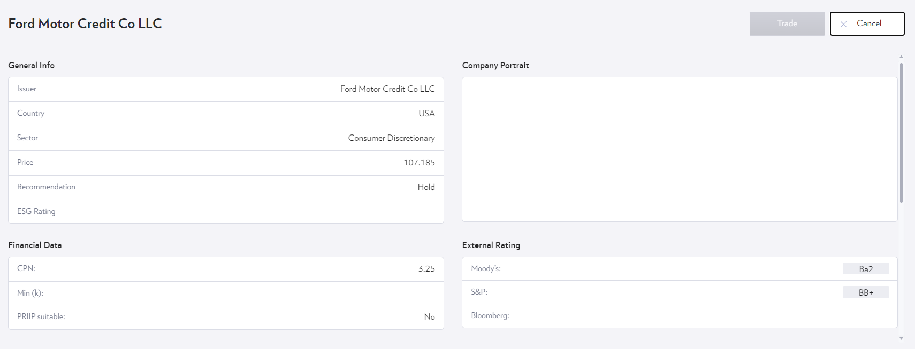
15 | Black out | Multiple Selection | #N/A | Created In Ideas Central
17 | YTW | Range | askYtm
18 | YTC | Range | askYtc
19 | YTM |  | askYtm

Detailed view parameters
Sequence | Rename | DBS Field Name | Remarks | ADV Comment
1 | Obligor | obligorName |  | Header
2 | Ticker & Security Description | securityDescription |  | Header
3 | ISIN | isin |  | Bond Information
4 | Category | TBC |  | Bond Information
5 | Currency | currencyCode |  | Bond Information
6 | Coupon Type | couponType |  | Bond Pricing
7 | Coupon | coupon |  | Bond Pricing
8 | Maturity | maturityDate |  | Bond Information

9 | Next Call Date | nextCallDate |  | Bond Information
10 | YTC | askYtc |  | Bond Pricing
11 | YTW | askYtm |  | Bond Pricing
12 | YTM | askYtm |  | Bond Pricing
13 | Moody's | ratingMoody |  | Externa; Rating
14 | Fitch | ratingFitch |  | Externa; Rating
15 | S&P | ratingSp |  | Externa; Rating
16 | Bid | bidprice |  | Bond Pricing
17 | Ask | askprice |  | Bond Pricing
18 | Reset Index | resetIndex |  | Bond Information
19 | Reset Margin | floaterSpread |  | Bond Information
20 | LV (PB/TPC) | lvPbTpc |  | DBS Rating
21 | Risk Rating | riskRating |  | DBS Rating
22 | ESG rating | msciEsgRating |  | Bond Information
23 | Update Time Stamp | update_timestamp |  | DBS Commentary
24 | Desk Rating | houseViewDesk |  | Header
25 | Investment rationale | manual input |  | DBS Commentary
26 | Trigger Type / Level | manual input |  | Bond Information
27 | Action | manual input |  | Bond Information
28 | Documents | manual input |  | Documents

GUI06 RWMP - Slide Mgr
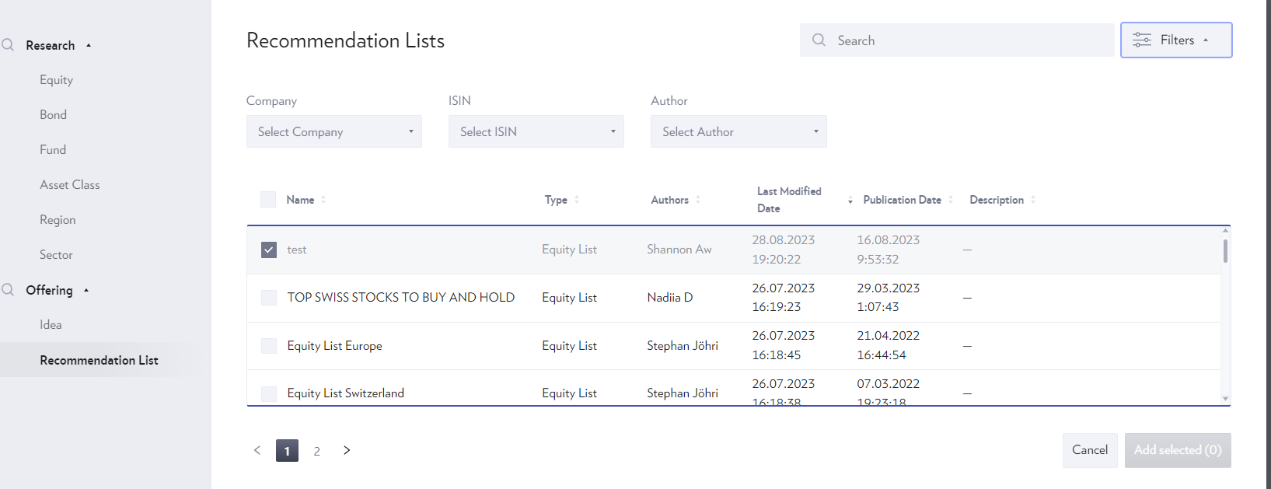
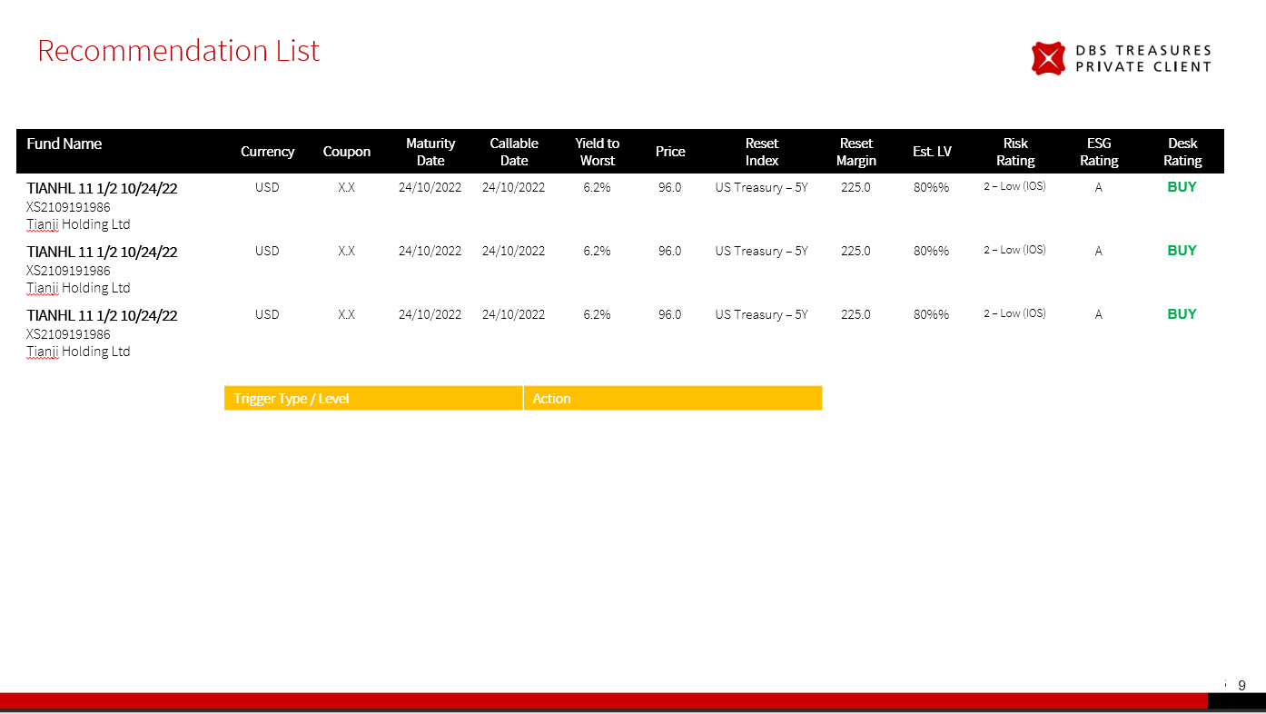
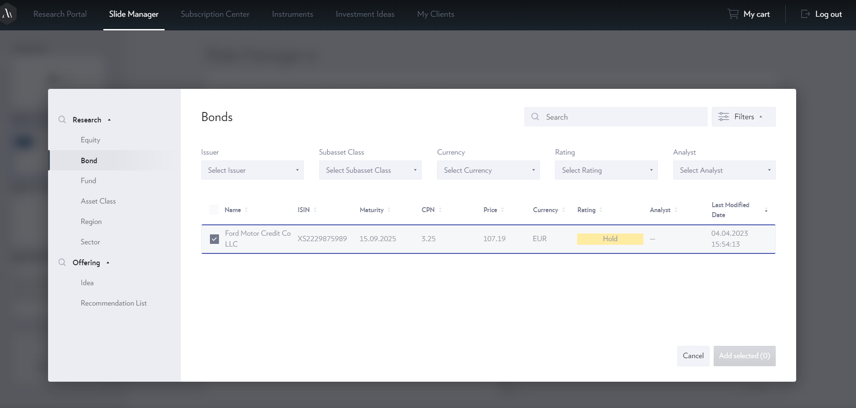
Functionality
If a user selects more than 1 bond, 2 slides are generated
i. Comparison slides among bonds (split commentary and performance into 2 slides)
Search field to cover the following attributes: Name, Ticker, ISIN
Wo we have final design for Comparison Slide, Details Slide?

Filter Data Fields (Slide Selector)
Sequence | Rename | Type | Technical Name | Remarks
1 | Issuer | Multiple Selection | issuer
2 | Obligor | Multiple Selection | obligorName
3 | Currency | Multiple Selection | currencyCode
4 | Category | Multiple Selection | TBC | TBC
5 | Industry | Multiple Selection | industryGroup
6 | Country of Risk | Multiple Selection | cntryOfRisk
7 | RR | Multiple Selection | #N/A
8 | BBG Composite | Multiple Selection | bbComposite
9 | Desk Rating | Multiple Selection | houseViewDesk
10 | Desk Analyst | Multiple Selection | researchAnalystDesk
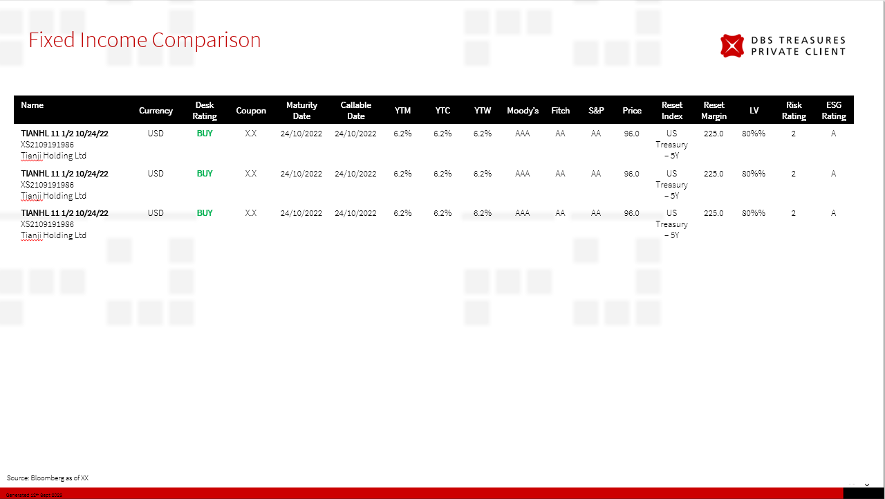
11 | Investment Theme | Multiple Selection | #N/A
12 | Sub Theme | Multiple Selection | #N/A
13 | Status | Multiple Selection | #N/A
14 | Product Universe | Multiple Selection | #N/A
15 | Black out | Multiple Selection | #N/A
16 | Perpetual Bond Flag | Single Selection | #N/A
17 | YTW | Range | askYtm
18 | YTC | Range | askYtc
19 | YTM | Range | askYtm

List Data Fields (Comparison Slide) |  |  |  |  | List Data Fields (Detailed view Slide)
Sequence | Rename | Technical Name | Remarks | ADV | Sequence | Rename | Remarks | ADV
1 | Obligor | obligorName |  | y | 1 | Obligor |  | y
2 | Ticker & Security Description | securityDescription |  | y | 2 | Ticker & Security Description |  | y
3 | ISIN | isin |  | y | 3 | ISIN |  | y
4 | Currency | currencyCode |  | y | 4 | Category |  | n
5 | Coupon | coupon |  | y | 5 | Currency |  | y
6 | Maturity | maturityDate |  | y | 6 | Coupon Type |  | y
7 | Next Call date | nextCallDate |  | y | 7 | Coupon |  | y
8 | YTM | askYtm |  | y | 8 | Maturity |  | y
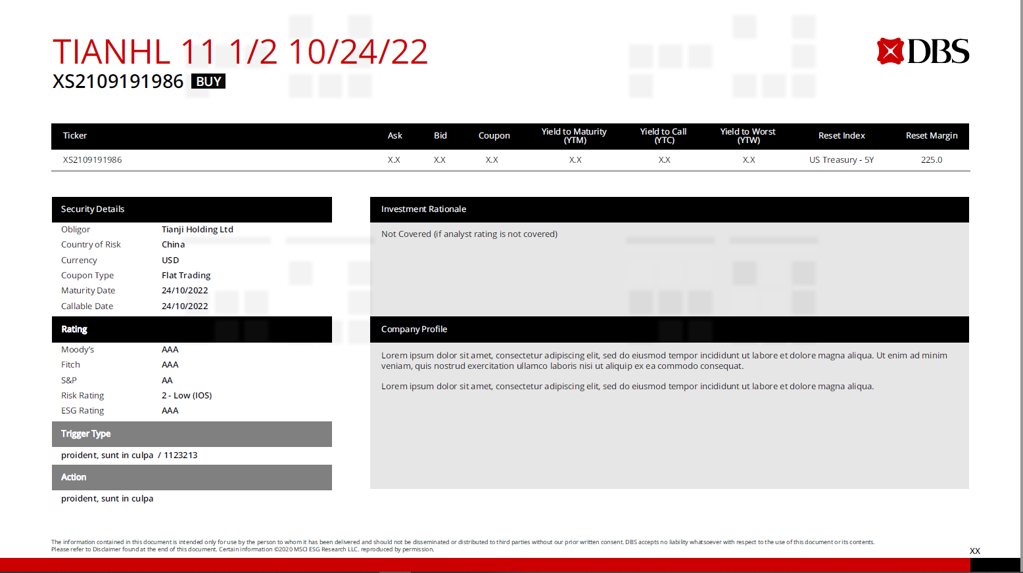
9 | YTC | askYtc |  | y | 9 | Next Call date |  | y
10 | YTW | askYtm |  | y | 10 | YTM |  | y
11 | Moody's | ratingMoody |  | y | 11 | YTC |  | y
12 | Fitch | ratingFitch |  | y | 12 | YTW |  | y
13 | S&P | ratingSp |  | y | 13 | Moody's |  | y
14 | Ask | askprice |  | y | 14 | Fitch |  | y
15 | Reset Index | resetIndex |  | y | 15 | S&P |  | y
16 | Reset Margin | floaterSpread |  | y | 16 | Bid |  | y
17 | LV (PB/TPC) | lvPbTpc |  | y | 17 | Ask |  | y
18 | Risk Rating | riskRating |  | y | 18 | Reset Index |  | y
19 | ESG rating | msciEsgRating |  | y | 19 | Reset Margin |  | y
20 | Desk Rating | houseViewDesk |  | y | 20 | LV (PB/TPC) |  | n
 |  |  |  |  | 21 | Risk Rating |  | y
 |  |  |  |  | 22 | ESG rating |  | y
 |  |  |  |  | 23 | Update Time Stamp |  | n
 |  |  |  |  | 24 | Desk Rating |  | y
 |  |  |  |  | 25 | Investment rationale |  | y
 |  |  |  |  | 26 | Country of Risk |  | y
 |  |  |  |  | 27 | Trigger Type / Level | Display only if Category is AT1 (Banking) or RT1 (Insurance) | y
 |  |  |  |  | 28 | Action | Display only if Category is AT1 (Banking) or RT1 (Insurance) | y
 |  |  |  |  | 29 | Company Portrait | From Company Level Object | y

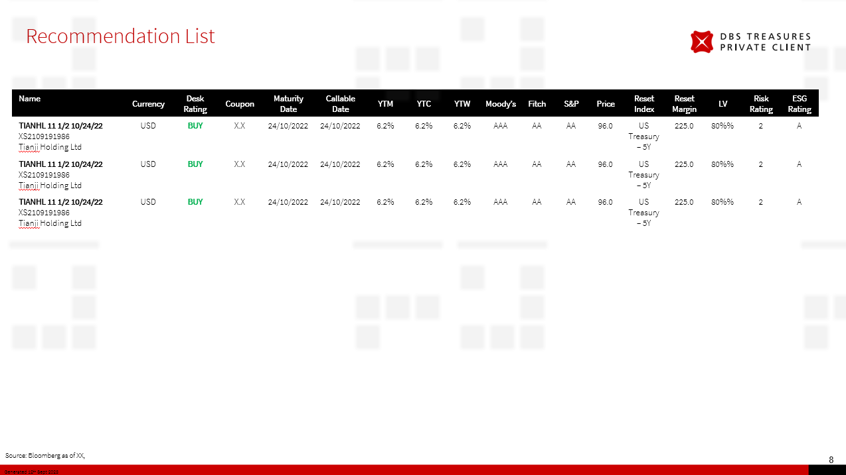
Filter Data Fields (Rec List Slide Selector)
Sequence | Front End Label NEW | Type | Remarks
1 | Type | Multiple Selection
2 | Language | Multiple Selection
3 | Author | Multiple Selection
4 | Investment Theme | Multiple Selection
5 | Sub-Theme | Multiple Selection
6 | Company | Multiple Selection
7 | Sector | Multiple Selection
8 | Country | Multiple Selection
9 | ISIN | Multiple Selection
10 | Status | Multiple Selection

List Data Fields (Rec List Slide selector)
Sequence | Front End Label NEW | Remarks
1 | Title
2 | Language
3 | Publication type/Content Type
4 | Authors
5 | Last Modified date
6 | Publication date

